Gate Allocation
Terminal Program Generator |  |  |  | Page 8: Gate Allocation
 |  | Fixed Link Calculations Added | Project: | #REF! |  |  |  |  |  |  |  |  |  |  |  |  |  | Austin Webcor Joint Venture
RCS |  | #REF! | #REF! | CY 2014 |  | CY 2015 |  | CY 2018 |  | CY 2023 |  | Base Case |  | High Case |  |  |  | HKS-WB-ED2-KYA
 |  | #REF! |  |  |  |  |  |  |  |  |  |  |  |  |  |  |  | BAB and BAC together comprise 36 Narrow Body Equivalent stands (NBE). This treats MARS stands as 2, averages the sub-ADG III and the ADG IV stands on BAC and ignores the 'Orphan stand. BAC comprises 10 NBE stands, i.e. 28% of the total NBE number.
 |  |  |  | Units | Area (ft2 ) | Units | Area (ft2 ) | Units | Area (ft2 ) | Units | Area (ft2 ) | Units | Area (ft2 ) | Units | Area (ft2 )
Base Data |  | T1 Annual Passengers (BAB & BAC) | MPPA |  |  |  |  | 15.13 |  | 16.77 |  | 17.32 |  | 19.82
 |  | 2-Way Design Day Peak Hour | Pax |  |  |  |  | 3,520 |  | 4,258 |  | 4,513 |  | 5,090 |  |  |  | For comparison the T2 combined Base Case forecast (Virgin America plus United) is 8.35m passengers per annum, 2-way DDPH of 2,700 pax, departures DDPH of 1,664 pax and Arrivals DDPH of 1,353 pax.
 |  | Departures Design Day Peak Hour | Pax |  |  |  |  | 2,283 |  | 2,497 |  | 2,663 |  | 2,912
 |  | Arrivals Design Day Peak Hour | Pax |  |  |  |  | 2,193 |  | 2,358 |  | 2,444 |  | 2,914

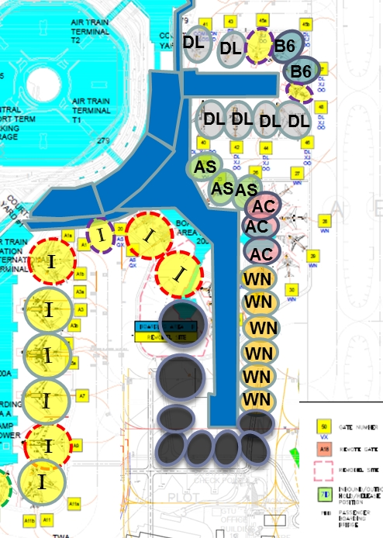
 |  | Pre-Programming Airline Gate Allocation - Analysis
 |  |  |  | SFO Forecast Updated Scheme 1 (2014) - As Shown
BAB | BAC |  |  | Sub- ADG III Stands | Full ADG III Stands | Full ADG III Intl. Stands | ADG IV Stands | ADG V Stands | ADG V MARS Stands | ADG VI MARS Stands | ADG VI MARS Intl. Stands | Total Narrow Body Equiv.
X |  | Air Canada | AC |  | 3 |  |  |  |  |  |  | 3
X |  | Alaska | AS |  | 3 |  |  |  |  |  |  | 3
X |  | American Airlines | AA |  | 6 |  |  |  |  | 2 |  | 10
 | X | Delta | DL |  | 5 |  | 1 |  |  |  |  | 6
X |  | Frontier | F9 |  |  |  |  |  |  |  |  | 0
 |  | Hawaiian | HA |  |  |  |  |  |  |  |  | 0
 | X | JetBlue | B6 |  | 2 |  |  |  |  |  |  | 2
X |  | Southwest | WN |  | 6 |  |  |  |  |  |  | 6
 |  | Sun Country | SY |  |  |  |  |  |  |  |  | 0
 |  | WestJet | WS |  |  |  |  |  |  |  |  | 0
 |  | Common Use |  | 1 | 1 | 1 |  |  |  |  | 2 | 7
 |  |  |  | 1 | 26 | 1 | 1 | 0 | 0 | 2 | 2 | 37

 |  | Stand Demand from SFO ADP Aviation Demand Forecasts (July 1st 2015)

 |  |  |  | Design Day Flight Schedule - Base Case - Hours Per Day - Max |  |  |  |  |  |  |  |  |  | Requirement
BAB | BAC |  |  | 1 Stand or More | 2 Stands or More | 3 Stands or More | 4 Stands or More | 5 Stands or More | 6 Stands or More | 7 Stands or More | 8 Stands or More | 9 Stands or More | 10 Stands or More | Regular | Short Periods | Once a Day
 |  | Air Canada | AC | 18 | 10 | 5 | 1 | 0 |  |  |  |  |  | 2 | 3 | 4 | AC
X |  | Alaska | AS | 18 | 11 | 6 | 4 | 0 |  |  |  |  |  | 3 | 4 | 4 | AS
X |  | American Airlines | AA | 22 | 21 | 20 | 20 | 16 | 14 | 7 | 5 | 3 | 0 | 7 | 9 | 9 | AA
 | X | Delta | DL | 21 | 19 | 19 | 19 | 16 | 11 | 6 | 1 | 0 |  | 6 | 7 | 8 | DL
X |  | Frontier | F9 | 6 | 0 |  |  |  |  |  |  |  |  | 1 | 1 | 1 | F9
 |  | Hawaiian | HA | 4 | 0 |  |  |  |  |  |  |  |  | 0 | 1 | 1 | HA
 | X | JetBlue | B6 | 20 | 5 |  |  |  |  |  |  |  |  | 1 | 2 | 2 | B6
X |  | Southwest | WN | 21 | 20 | 20 | 14 | 10 | 6 | 2 | 2 | 0 |  | 5 | 8 | 8 | WN
 |  | Sun Country | SY | 2 | 0 |  |  |  |  |  |  |  |  | 0 | 1 | 1 | SY
 |  | WestJet | WS |  |  |  |  |  |  |  |  |  |  |  |  |  | WS
 |  | Common Use International Swing | 0 |  |  |  |  |  |  |  |  |  |  | 5 | 5 | 5 | 0
 |  |  |  |  |  |  |  |  |  |  |  |  |  | 30 | 41 | 43

 |  |  |  | Design Day Flight Schedule - Base Case - Hours Per Day - Excl 5 min Peaks |  |  |  |  |  |  |  |  |  | Allocation
BAB | BAC |  |  | 1 Stand or More | 2 Stands or More | 3 Stands or More | 4 Stands or More | 5 Stands or More | 6 Stands or More | 7 Stands or More | 8 Stands or More | 9 Stands or More | 10 Stands or More | Regular | Short Periods | Once a Day
 |  | Air Canada | AC | 18 | 9 | 4 | 0 | 0 |  |  |  |  |  | 2 | 3 | 3 | AC
X |  | Alaska | AS | 18 | 10 | 6 | 3 | 0 |  |  |  |  |  | 3 | 4 | 4 | AS
X |  | American Airlines | AA | 22 | 21 | 20 | 20 | 16 | 13 | 5 | 4 | 2 | 0 | 6 | 8 | 9 | AA
 | X | Delta | DL | 21 | 19 | 19 | 18 | 16 | 11 | 4 | 0 | 0 |  | 6 | 7 | 7 | DL
X |  | Frontier | F9 | 6 | 0 |  |  |  |  |  |  |  |  | 1 | 1 | 1 | F9
 |  | Hawaiian | HA | 4 | 0 |  |  |  |  |  |  |  |  | 0 | 1 | 1 | HA
 | X | JetBlue | B6 | 20 | 4 |  |  |  |  |  |  |  |  | 1 | 2 | 2 | B6
X |  | Southwest | WN | 21 | 20 | 20 | 14 | 10 | 5 | 1 | 0 | 0 |  | 5 | 6 | 7 | WN
 |  | Sun Country | SY | 2 | 0 |  |  |  |  |  |  |  |  | 0 | 1 | 1 | SY
 |  | WestJet | WS |  |  |  |  |  |  |  |  |  |  |  |  |  | WS
 |  | Common Use International Swing | 0 |  |  |  |  |  |  |  |  |  |  | 5 | 5 | 5 | 0
 |  |  |  |  |  |  |  |  |  |  |  |  |  | 29 | 38 | 40

